Statistics
STATISTICAL Functions

MEDIAN()

 | 1. Returns the middle value of a dataset when the numbers are sorted.
 | 2. If there is an odd number of values → the middle one is returned.
 | 3. If there is an even number of values → the average of the two middle numbers is returned.
 |  | =MEDIAN(number1, [number2], …)
 | odd | (n+1)/2
 | even | (n/2 + n/2+1)/2

AVERAGE
 | Average is nothing but Central Tendency of data
 | Returns the arithmetic mean (sum of numbers ÷ count of numbers).
 |  | =AVERAGE(number1, [number2], …)

MODE
 | Returns the most frequently occurring number in a dataset.
 |  | =MODE(number1, [number2], …)
 |  | =MODE(1,2,2,3,4,4,4,5) → 4

STANDARD |  | Spread of data wrto Mean
DEVIATION
 |  | A low standard deviation indicates that the values tend to be close to the mean
 |  | a high standard deviation indicates that the values are spread out over a wider range.
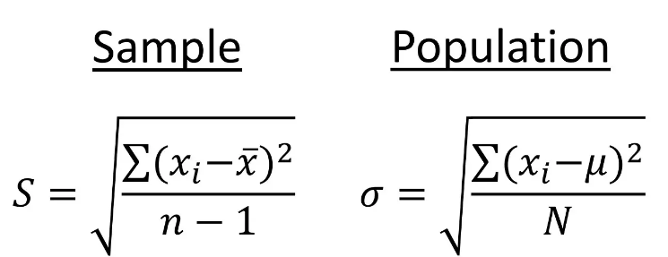
 |  |  |  |  | Population ---> Complete data
 |  |  |  |  | Sample --> Part of data

Q) You are a financial analyst comparing the stock price volatility of two companies —
Company A and Company B — over 5 trading days.
You want to determine which stock is more stable.

Day | Company A | Company B |  | =STDEV.P(num1,num2,num3….......)
Day 1 | ₹ 178 | ₹ 150 | Company A Mean = (178 + 182 + 185 + 190 + 195) / 5 = ₹186
Day 2 | ₹ 182 | ₹ 170 | Company B Mean = (150 + 170 + 200 + 230 + 270) / 5 = ₹204
Day 3 | ₹ 185 | ₹ 200
Day 4 | ₹ 190 | ₹ 230
Day 5 | ₹ 195 | ₹ 270

Company A Std Dev ≈ ₹5.97 → Price fluctuates slightly → Low volatility (more stable)
Company B Std Dev ≈ ₹42.71 → Price fluctuates widely → High volatility (riskier investment)

coorelation
Coorelation

Coorelation --> coorelation is the relation of one column wrto other

(-1 to 1)
0 to 1 | positive | increasing vertical line |  | Sale increase as price increase | iphone
-1 to 0 | negative | decreasing vertical line |  | sale decrease as price increase | household products
0 | No-Correlation |  |  | =CORREL(array1, array 2)

PRICE | SALES
50 | 100
100 | 90 |  | -0.9559042388 | -0.9559042388
150 | 80 |  | Negative
200 | 70
250 | 90 |  | -0.9559042388
300 | 50
350 | 40
400 | 30
450 | 20
500 | 10

PRICE | SALES
50 | 100 |  | 1
100 | 110 |  | Positive
150 | 120
200 | 130
250 | 140
300 | 150
350 | 160
400 | 170
450 | 180
500 | 190

